1. Title Page
Grocery Basket Analysis

Project Name: Grocery Basket Analysis
Date: February 2025
Analyst Name: Adrian Del Villar

Contents:
Population Flow
Consistency checks
Wrangling steps
Column derivations
Visualizations
Recommendations

2. Population Flow
Title page

Population flow

Exclusion flag
Condition: max_order < 5
Obervations to be removed: 1440295
Final total count of order_products_all: 30964564

Orders_products_combined
Orders_products_merged
Orders_products_all

Total: 32404859
Total: 32434489
Total: 32404859

1.) The grey boxes in the first row of the population flow represent the original data sets as they were when you downloaded them. In the Total fields you need to add the count of the rows when you imported the data set into Jupyter.
2.) The second row of boxes (coloured) represents the data sets after you manipulated them, e.g., removed missing values and duplicates. In the Total fields you need to add the count of the rows after conducting these operations. This offers a visual oveview of how the data flows throughout the data consistency checks.
3.) The third row, where also the arrows are coloured, represents the merges you performed between the datasets. In the Total fields you need to add the count of the rows in the merged datasets, so that you end up with the final dataset (in the red box). Keep in mind the final dataset should be without exclusions (based on the exclusion flag).

3. Consistency checks
 |  |  |  | Title page
Consistency checks

Dataset | Missing values | Missing values treatment | Duplicates
orders | 206,209 NaN values in 'days_since_prior_order' | Nothing these were because they were first orders | None
products | 16 NaN for 'product_name' | Deleted | 5 duplicates deleted
orders_products_prior
customers | 99999 and 14900 used as place holders | Prices over 100 were considered outliers and changed to NaN

4. Wrangling steps
 |  |  |  |  | Title page
Wrangling steps

Data Set | Columns dropped | Columns renamed | Columns' type changed | Comment/Reason
orders | eval_set |  |  | Unneccesary
 |  | order_dow ---> orders_day_of_the_week |  | Easier to understand
 |  |  | user_id | Changed from integer to string
 |  |  | order_id | Changed from integer to string
customer |  | Surnam ----> Last Name
 |  | STATE -----> State
 |  | date_joined ---> Date Joined
 |  | n_dependants ----> Number of Dependants
 |  | fam_status -----> Family Status
 |  | income -----> Income
order_products_combined | merge_ |  |  | Not Needed
 | Unnamed 0.1 |  |  | Not Needed
 | Unnamed 0 |  |  | Not Needed
 | Unnamed 0_y |  |  | Not Needed

5. Column derivations
 |  |  |  | Title page

Column derivations and aggregations

In this tab you should add tables below that the frequences of flags/label variables that you produced after deriving them. NB: don't do this for continuous variables, only for flags.
Dataset | New column | Column/s it was derived from | Conditions
orders_products_.pkl | price_range | prices | if prices <= 5 then low range product if prices >5 and <15 then mid range product if prices >20 then high range product
 | busiest_day | orders_day_of_the_week | if value = o then busiest day if value = 4 then least busy else then regularly busy
 | busiest_days | orders_day_of_the_week | if value = 0 or =1 then busiest days if value =4 or =3 then least busy else then regularly busy
 | busiest_period_of_day | order_hour_of_day | if value includes [10,11,14,15,13,12,16,9] then most orders if value includes [17,8,18,19,20,7,21,22] then average order else then fewest orders
orders_products_merged_newcolumns.pkl | max_order | order_number | groupby(['user_id'])['order_number'].transform('max')
 | customer_order_volume | max_order | ['max_order'] > 40, 'customer_order_volume'] = 'high volume' ['max_order'] <= 40) & (ords_prods_merge['max_order'] > 10), 'customer_order_volume'] = 'average volume' ['max_order'] <= 10, 'customer_order_volume'] = 'low volume'
 | 'average_price | prices | groupby(['user_id'])['prices'].transform('mean')
 | spender_type | average_price | ['average_price'] < 10, 'spender_type'] = 'Low Spender' ['average_price'] >= 10, 'spender_type'] = 'High Spender'
 | 'median_days_since_order' | days_since_prior_order | groupby(['user_id'])['days_since_prior_order'].transform('median')
 | customer_frequency | 'median_days_since_order' | ['median_days_since_order'] > 20, 'customer_frequency'] = 'Non-frequent customer' e['median_days_since_order'] <= 20) & (ords_prods_merge['median_days_since_order'] > 10), 'customer_frequency'] = 'Regular customer' ['median_days_since_order'] < 10, 'customer_frequency'] = 'Frequent customer'
'ords_prods_cust_high_activity.pkl | Region | State | for value in df['State']: if value in ['Maine','New Hampshire','Vermont','Massachusetts','Rhode Island','Connecticut','New York','Pennsylvania','New Jersey']: result.append('Northeast') elif value in ['Wisconsin','Michigan','Illinois','Indiana','Ohio','North Dakota','South Dakota','Nebraska','Kansas','Minnesota','Iowa','Missouri']: result.append("Midwest") elif value in ['Idaho','Montana','Wyoming','Nevada','Utah','Colorado','Arizona','New Mexico','Alaska','Washington','Oregon','California','Hawaii']: result.append("West") else: result.append("South")
 | activity_flag | max_order | ['max_order'] < 5, 'activity_flag'] = 'low activity customer' ['max_order'] >= 5, 'activity_flag'] = 'high activity customer'
 | Income Group | Income | ['Income'] <= 67292, 'Income Group'] = 'low income' ['Income'] > 67292) & (df['Income'] <= 128102), 'Income Group'] = 'middle income' ['Income'] > 128102, 'Income Group'] = 'high income'
 | Age Group | Age | ['Age'] <= 30, 'Age Group'] = 'young adult' ['Age'] > 30) & (df['Age'] <= 40), 'Age Group'] = 'adult' ['Age'] > 40) & (df['Age'] <= 60), 'Age Group'] = 'middle aged' ['Age'] > 60, 'Age Group'] = 'senior'
 | Dependant Status | Number of Dependants | ['Number of Dependants'] == 0, 'Dependant Status'] = 'No' ['Number of Dependants'] >= 1, 'Dependant Status'] = 'Yes'
 | loyalty flag | customer_order_volume spender_type customer frequency | df.loc[(df['customer_order_volume'].isin(['high volume', 'average volume'])) & (df['spender_type'] == 'High Spender') & (df['customer_frequency'] == 'Frequent customer'), 'loyalty_flag'] = 'loyal'
 | order_totals | prices | df.groupby('order_id')['prices'].sum()

price_range |  | busiest_day
Mid-range product 673183 |  | Regularly busy 21430960
Low-range product 314392 |  | Busiest day 5908610
High range 12425 |  | Least busy 3624994
Name: count, dtype: int64 |  | Name: count, dtype: int64

busiest_days |  | busiest_period_of_day
Regularly busy 12349739 |  | Most Orders 20180856
Busiest days 11320296 |  | Average Orders 9550810
Least busy 7294529 |  | Fewest Orders 1232898
Name: count, dtype: int64 |  | Name: count, dtype: int64

spender_type |  | customer_frequency
Low Spender 30361139 |  | Frequent customer 19965382
High Spender 603425 |  | Regular customer 6865113
Name: count, dtype: int64 |  | Non-frequent customer 2894975
 |  | Name: count, dtype: int64
Region
South 10311139 |  | Income Group
West 7927227 |  | middle income 15482125
Midwest 7261513 |  | low income 7741348
Northeast 5464685 |  | high income 7741091
Name: count, dtype: int64 |  | Name: count, dtype: int64

Age Group |  | Dependant Status
senior 10112607 |  | Yes 23224883
middle aged 9703524 |  | No 7739681
young adult 6304240 |  | Name: count, dtype: int64
adult 4844193
Name: count, dtype: int64 |  | loyalty_flag
 |  | not loyal 30590921
 |  | loyal 373643
 |  | Name: count, dtype: int64

6. Visualizations
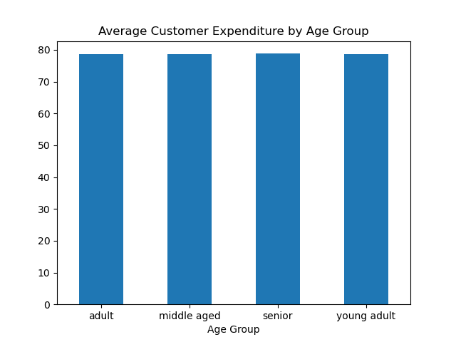
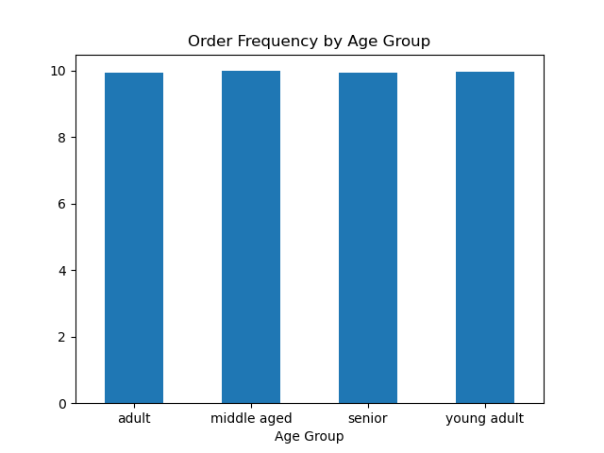
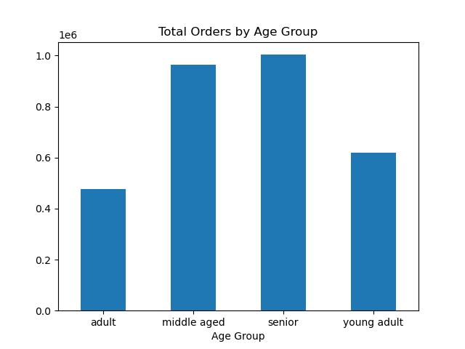
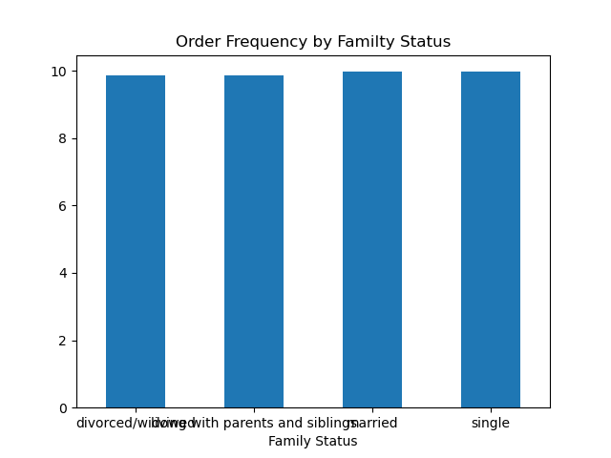
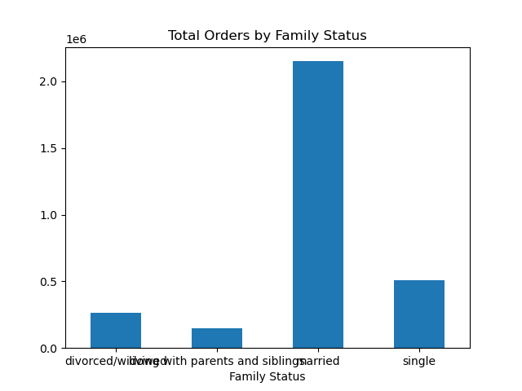

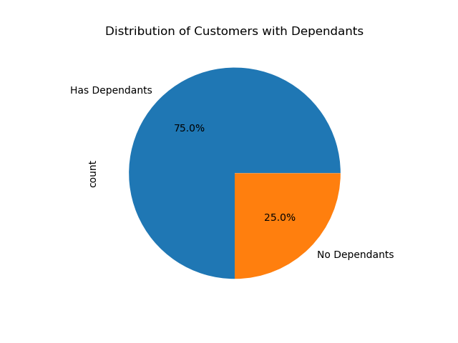
 |  |  |  |  |  |  | Title page

Visualisations

In this tab you should include all the visualtions from Exercises 4.9 and 4.10, alongside the questions from the project brief that they answer. Include any commentary on the relationship between different variables.

Key Question 1: What are the busiest days of the week, and busiest hours of the day?
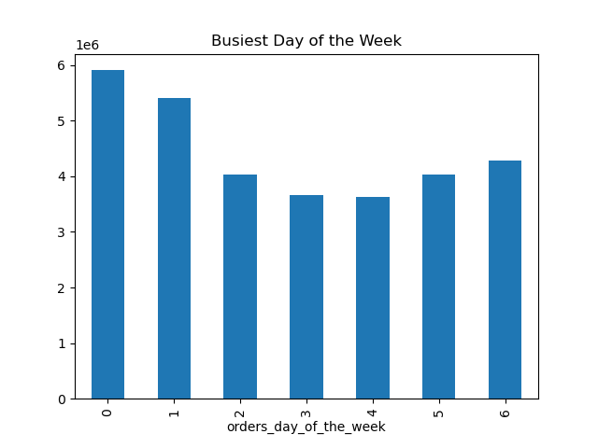


 |  |  |  | Legend
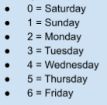

 | According to the above chart the busiest days of the week are Saturday and Sunday |  |  |  |  | According to the above chart the busiest hours of the day are 9-10am

Key Question 2: Are there particular times of the day when people spend the most money?

 |  | Total Spent by Customers at Different Hours of the Day |  |  |  |  |  | Average Price of all Purchased Items at Different Hours of the Day
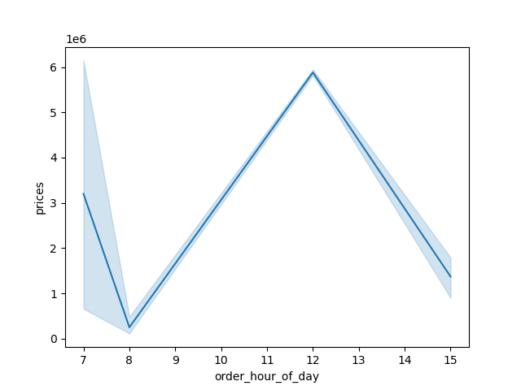


 | The stores are selling the most from 11am to 12pm
 | But it should also be noted that customers are spending the most per item earlier in the mornings

Key Question 3: Are there certain types of products that are more popular than others?
The top 3 departments are Produce, Dairy/Eggs, and Snacks in that order.
Additionally these top deparments remain consistent among the 4 regions and all age groups

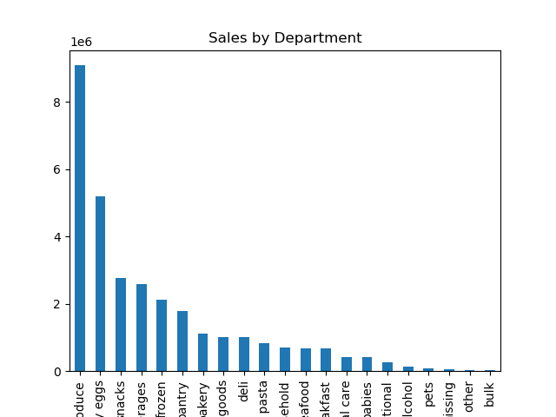
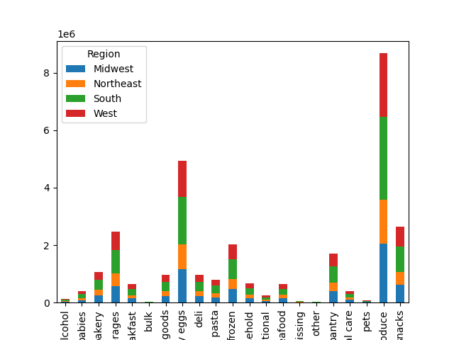
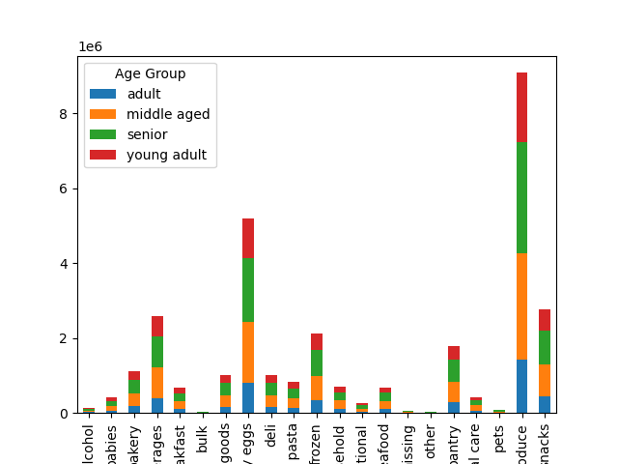
 |  |  | j

Key Question 4: What is the distribution among users in regards to their brand loyalty?

For the sake of this research a loyal customer was considered a customer who had an average or high volume of orders, was considered a high spender, and marked as a frequent customer.
Under this criteria only 1.2% of customers are considered loyal customers
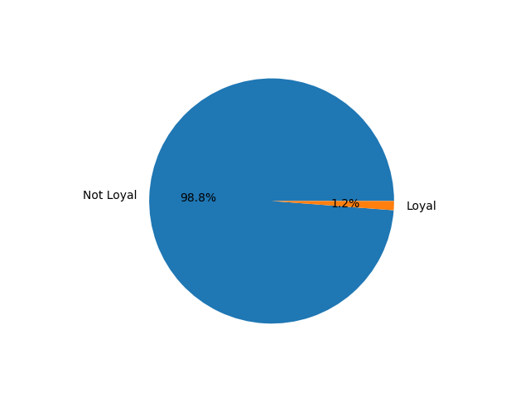
 |  |  |  |  | On average loyal customers are shopping every 6 days where as not loyal customers are shopping only every 10 |  |  |  | Both loyal and non loyal customers are spending an average of 78.7 per order
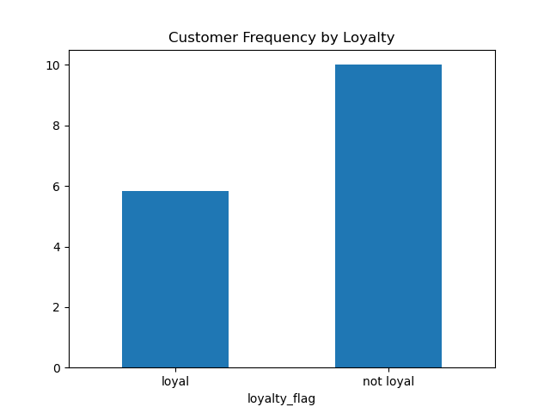
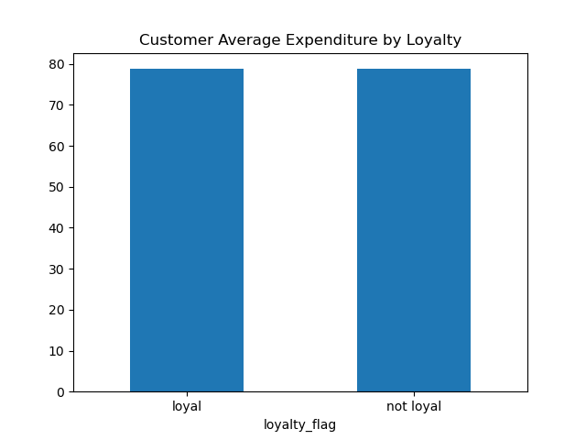

Key Question 5: Are there differences in ordering habits based on a customer’s region?

I found no significant difference in the ordering habits between the different regions. They had virtually the same average order expenditure and order frequency
The south did make up a larger proportion of all orders but the amount is proportionate to the number of customers we have in the south
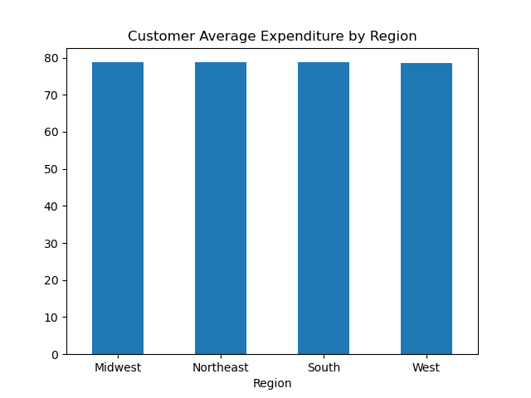
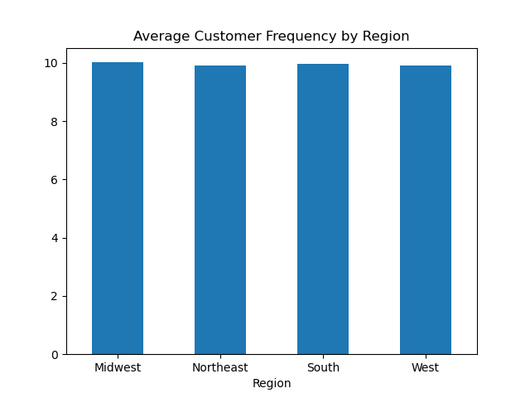
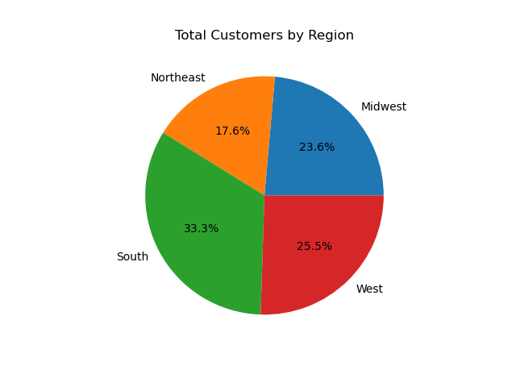
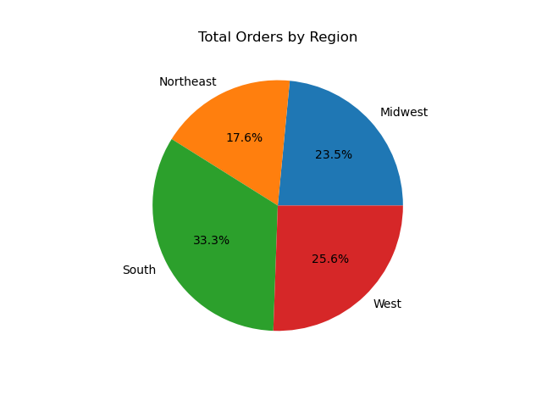

Key Question 6: Is there a connection between age and family status in terms of ordering habits?

There were no significant differences found in expenditure or frequency between the different age groups and different family status
However when looking at order volume, middle aged and senior customers are making up significantly more orders than other age groups while married customers are making up the majority of orders when compared to customers of other family status

7. Recommendations
 |  |  |  |  | Title page

Recommendations

In this tab you should include any recommendations you would made to Instcart in terms of their marketing strategy based on the questions posed in the brief. Every key question has been covered in the Tasks of the Exercises - here you need to add an item - a visualisation or table/crosstable that is showing the answer in the data, acompanied by a comment from you. Please, list the questions below and add the answer underneath.

Question
Key Question 1: What are the busiest days of the week, and busiest hours of the day?

 |  |  | Answer/Reccomendations

 |  |  | The busiest days are Friday and Saturday with the busiest hours being from 9-10am
 |  |  | To maximize on this you should ensure stores are fully stocked prior to these busy peaks
 |  |  | Additionally implementing coupons or other similar promotions during this time could boost sales

Key Question 2: Are there particular times of the day when people spend the most money?

 |  | Answer/Reccomendations

 |  | People are spending the most per item in the early mornings but in general customers are spending the most money between 11am and 1pm
 |  | Creating promotions during the off peak hours could boost sales at the times that people arent spending as much.

Key Question 3: Are there certain types of products that are more popular than others?

 | Answer/Reccomendations

 | The top 3 departments are Produce, Dairy Eggs, Snacks in that order.
 | It will be helpful to ensure there is always ample stock for these departments specifically since they are consistently in high demand across all regions

Key Question 4: What is the distribution among users in regards to their brand loyalty?

 |  |  |  | Answer/Reccomendations

 |  |  |  | Loyal customers were those who were High Spenders, had average to high order volume and were frequent shoppers
 |  |  |  | Under these circumstances only 1.2% of customers were deemed loyal
 |  |  |  | Loyal customers on average shop every 6 days where as non loyal customers only shop around every 10 days
 |  |  |  | A rewards program based around weekly shopping could potentially boost both customer frequency as well as their overall expenditure

Key Question 5: Are there differences in ordering habits based on a customer’s region?

 |  |  | Answer/Reccomendations

 |  |  | While there is no difference in average order frequency or expenditure across the regions
 |  |  | it should be noted that the South has both the largest number of customers and as a result produces the highest order volume

Key Question 6: Is there a connection between age and family status in terms of ordering habits?

 |  |  | Answer/Reccomendations

 |  |  | Middle Aged, Senior, and Married customers are by far the most dominant demographic in terms of order volume
 |  |  | Additionally 75% of customers all have dependants
 |  |  | To maximize on this, promotions for bulk items (one of the weakest proforming deparments) should be tageted to these customers with families
 |  |  | Other family oriented products like easy made dinners, childrens breakfast cereals etc. should be promoted since we know this
 |  |  | demographic has the most spending power

